Simulation_Result
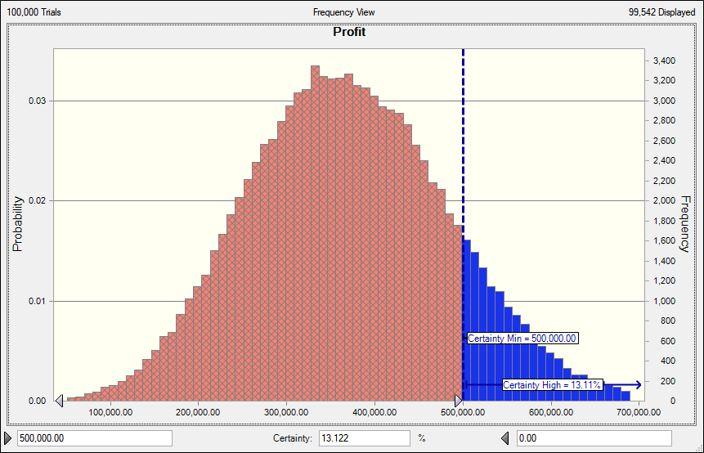
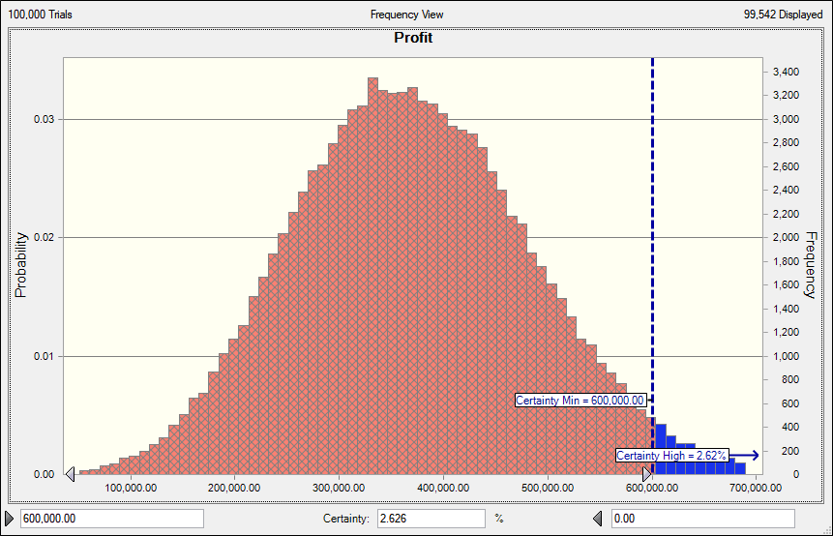
Certainty of earning normal profit | Certainty of earning lower than my normal Profit

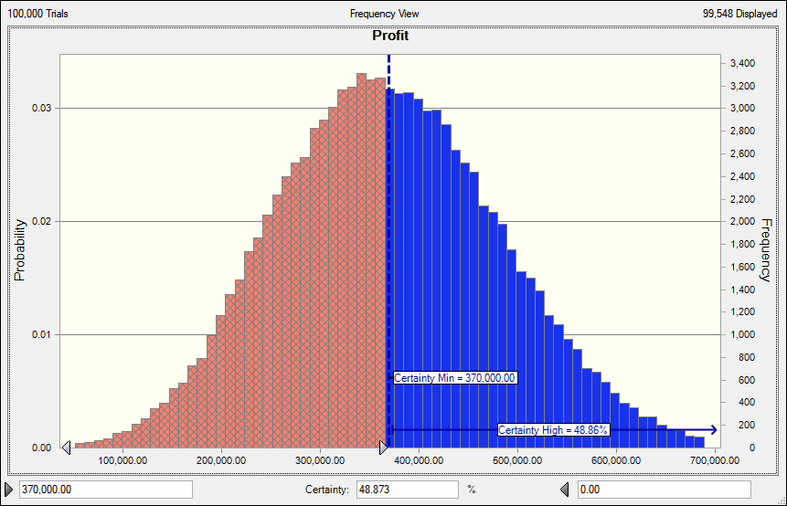
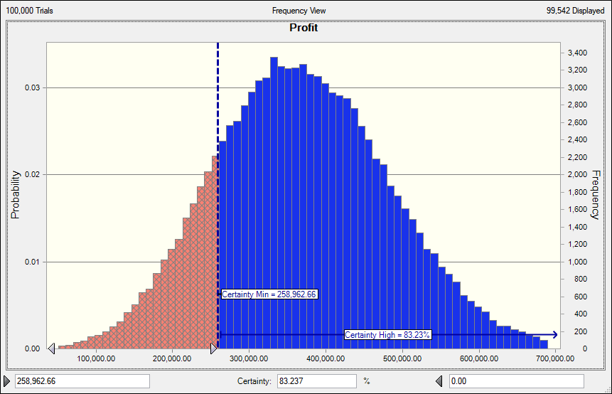

Chances of Earning 500,000 | Chances of Earning 600,000 Profit

